Sheet1
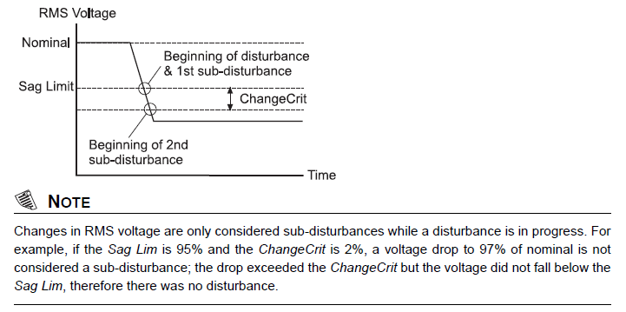
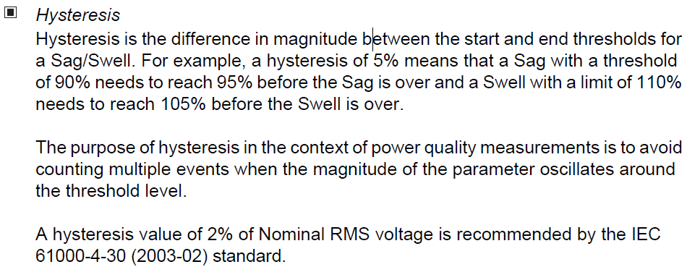
Power Quality - Sag/Swell module configuration
Nominal voltage | 240
Swell limit % | 110
Sag limit % | 90
ChangeCrit | 10
Hysteresis % | 2

Your Meter will… | [in Volts] | [in percentages]
Record a sag when voltage falls below | 216 V | 90 %
Record a swell when voltage is over | 264 V | 110 %
Consider a new sub-disturbance when voltage falls below | 192 V | 80 %
Consider a new sub-disturbance when voltage is over | 288 V | 120 %
however it will…
Consider a sag over when voltage is over | 220.8 V | 92 %
Consider a swell over when voltage falls below | 259.2 V | 108 %

