Dibujo
 | CATALOG:
 | Q2C:
 | DATE:
 | QTY:

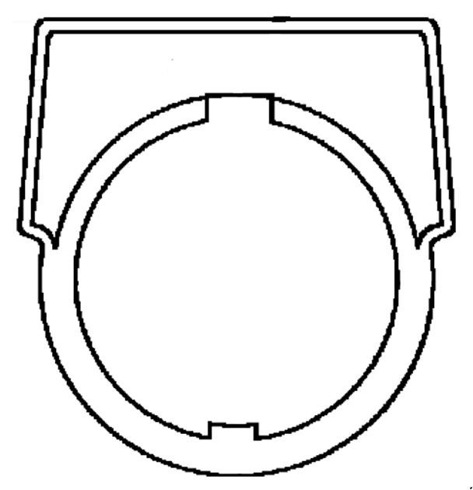
Max. Characters: 14
KN299
KN299(WP,BP,SP,RP)
Max. Characters: 22
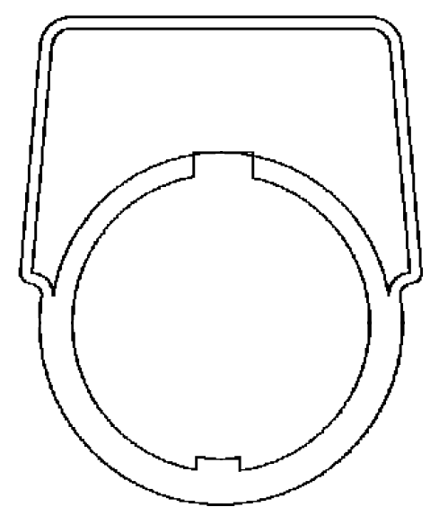
KN399
Max. Characters: 18
Max. Characters: 18
Max. Characters: 18
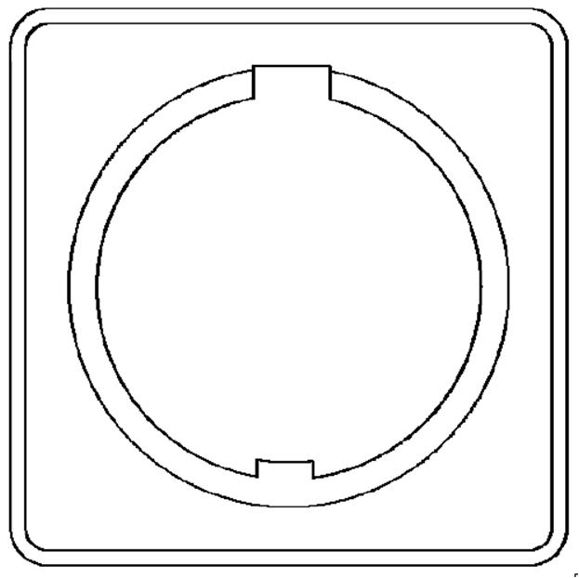
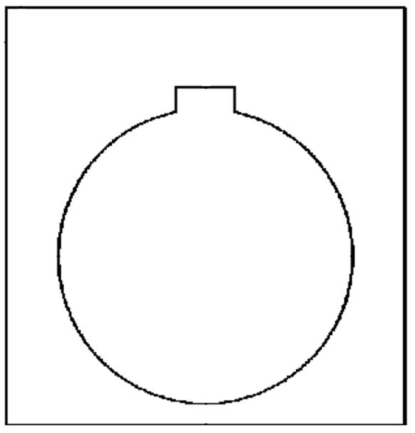
KN199
Max. Characters: 16
Max. Characters: 16

Silver field, Black letters |  |  |  | Silver field, Black letters
White Field, Black letters |  |  |  | White Field, Black letters
Red Field, Black letters |  |  |  | Red Field, Black letters
Black Field, White letters |  | Red Field | Black Field | Black Field, White letters | Red Field | Black Field

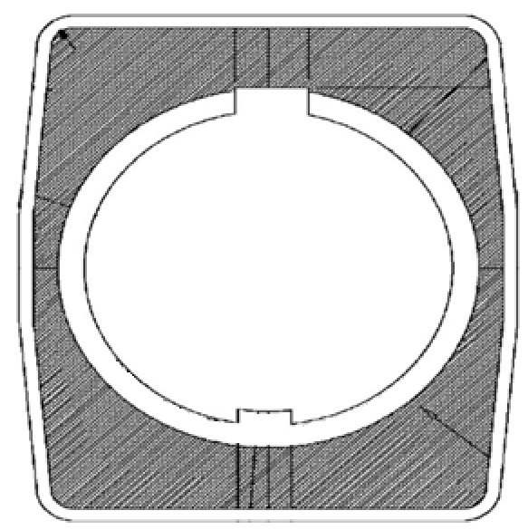
KN499
Max. Characters: 18
Max. Characters: 18
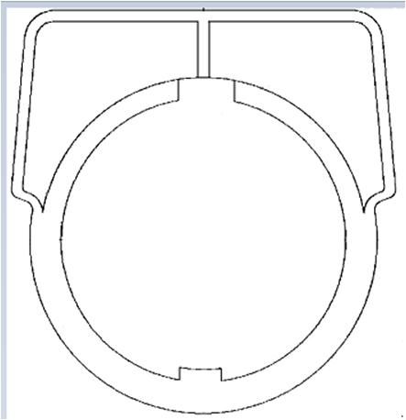
KN599
Max: 8
Max: 8
Max: 8
Max: 8
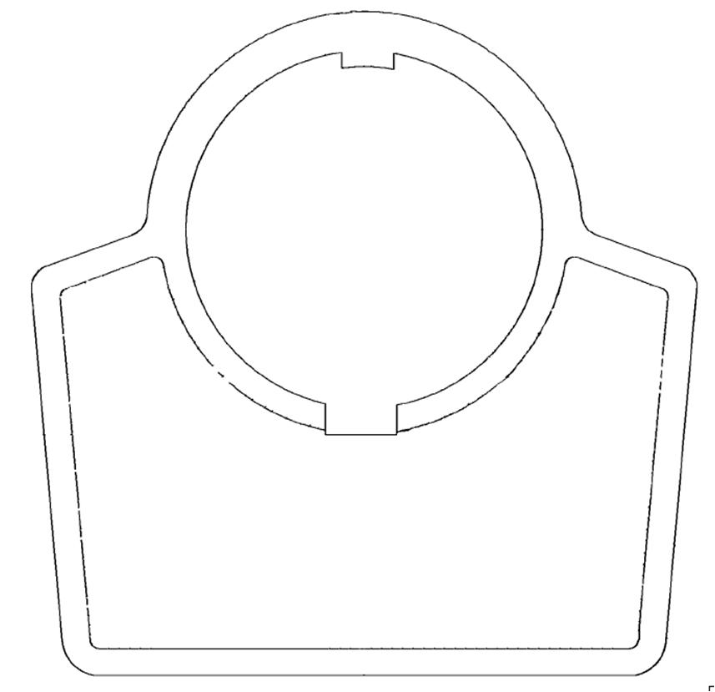
KN699
Max. Characters: 22
Max. Characters: 22
Max. Characters: 22
Max. Characters: 22
KN799

 |  |  |  |  | Silver field, Black letters
 |  |  |  |  | White Field, Black letters
Black Field |  | Left Green, Right Red |  | Black Field | Red Field, Black letters
 |  | Left Black, Right Black. |  | Red Field | Black Field, White letters

KN999
Max. Characters: 18
Max. Characters: 18
Max. Characters: 18
Max. Characters: 18
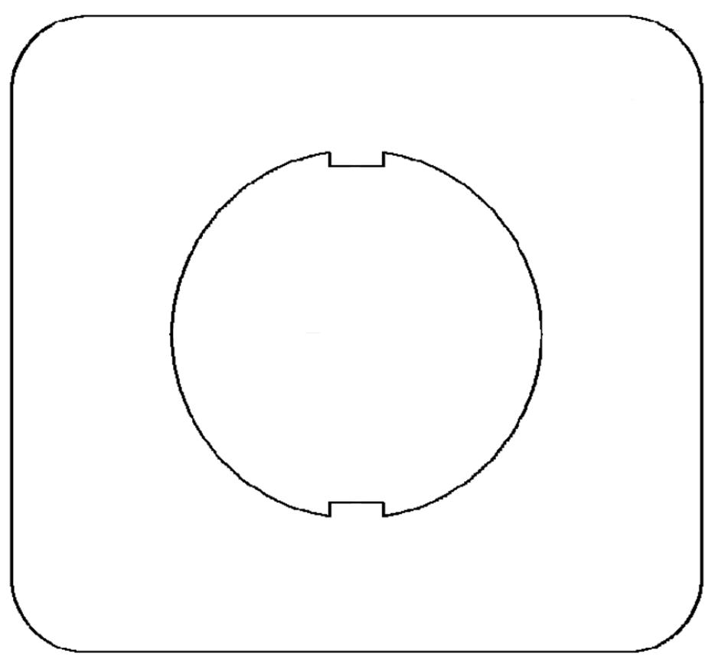
SKN199
Max. Characters: 14
Max. Characters: 14
Max. Characters: 14
Max. Characters: 14
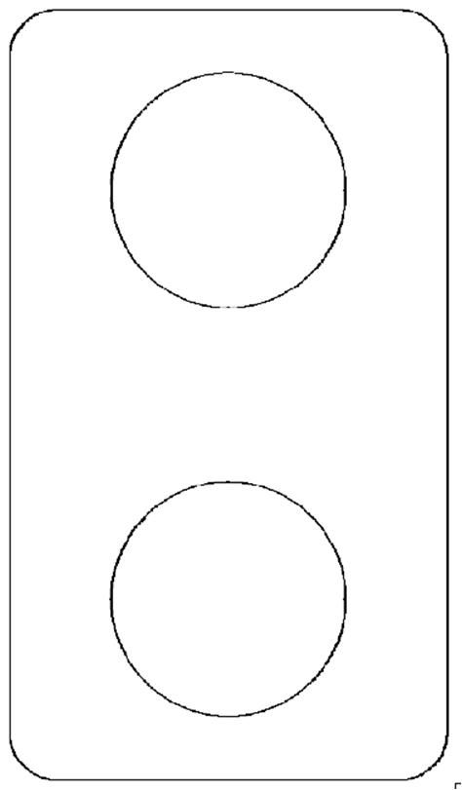
B
A
C
SKN299
Max. Characters: 19
Max. Characters: 19


KN899
Max. Characters: 18
Max. Characters: 18

Blue Field
Red Field

 |  |  |  | Yellow Field, Black letters | Yellow Field, Black letters
 |  | Black Field |  | Red Field, Black letters


SKN599
Max: 8
Max: 8

ZBY0500(1,2,4,5)
Max. Characters: 11
Max. Characters: 11
Max. Characters: 11

ZBY2002
Max. Characters: 11
Max. Characters: 11
ZBY2004
Max. Characters: 11
Max. Characters: 11

 |  | Black Field, White letters |  | Black Field, White letters | Red Field, White letters
 |  | Red Field, White letters
 |  | White Field, Black letters
Yellow Field, Black letters |  | Yellow Field, Black letters

ZB2BY200(2,4)
Max. Characters: 11
Max. Characters: 11
ZB2BY400(1,5)
Max. Characters: 11
Max. Characters: 11
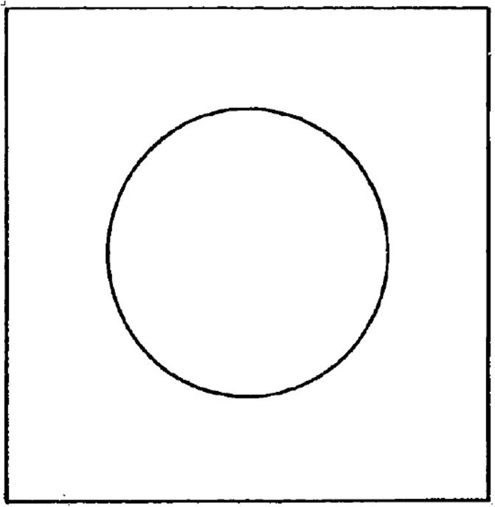
KXN699
B
A
C
Max. Characters: 8
Max. Characters: 8
Max. Characters: 9

ZBY01002
Max. Characters: 11
Max. Characters: 11

Black Field, White letters

 |  |  |  | White Field, Black letters
 |  | Black Field, White letters |  | Yellow Field, Black letters | Gray Field
 |  | Red Field, White letters

