Sheet2
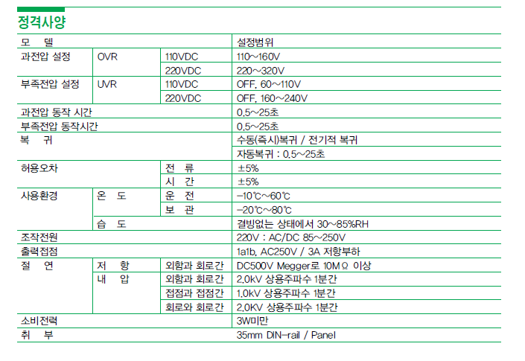
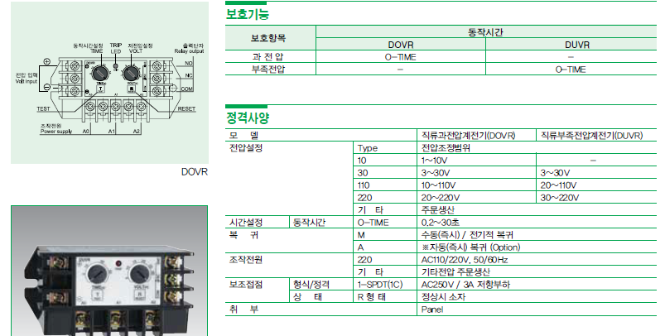
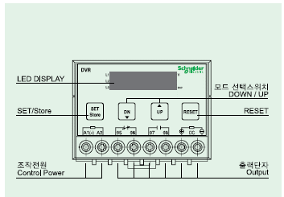
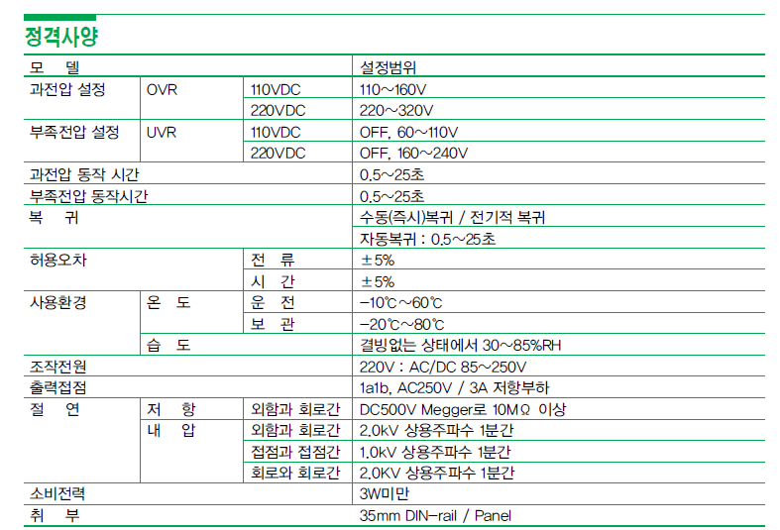
Old Ref. | Material description | New Ref. | Material description | Launch date
EOVR-110R7 | EOVR 110 R | EVR-1P22 | 1 Phase Voltage Protecion Relay 70…300 V, 100…240 V AC/DC, 50/60Hz | Sep. 2021
EOVR-220N7 | EOVR 220 N
EOVR-220R7 | EOVR 220 R
EUVR-110N7 | EUVR 110 N
EUVR-120N7 | EUVR 120 N 80~120
EUVR-220N7 | EUVR 220 N
EUVR-220R7 | EUVR 220 R
EOVR-380R7 | EOVR 380 R | EVR-3P44 | 1&3 Phase Voltage Protecion Relay 154…506 V, 220…480 V AC/DC, 50/60Hz | update soon
EUVR-380N7 | EUVR 380 N
EUVR-440N7 | EUVR 440 N
PMR-220N7 | PMR 220
PMR-440N7 | PMR 440
PMR-440N7Q | PMR EP 440

