-=E30 1PH Circuits=-
42 SINGLE-PHASE CIRCUITS
Voltage/Current Phasing for Top Feed, Bottom Feed, Single Row: Odd / Even configuration
 |  |  |  |  | Top Feed | Bottom Feed
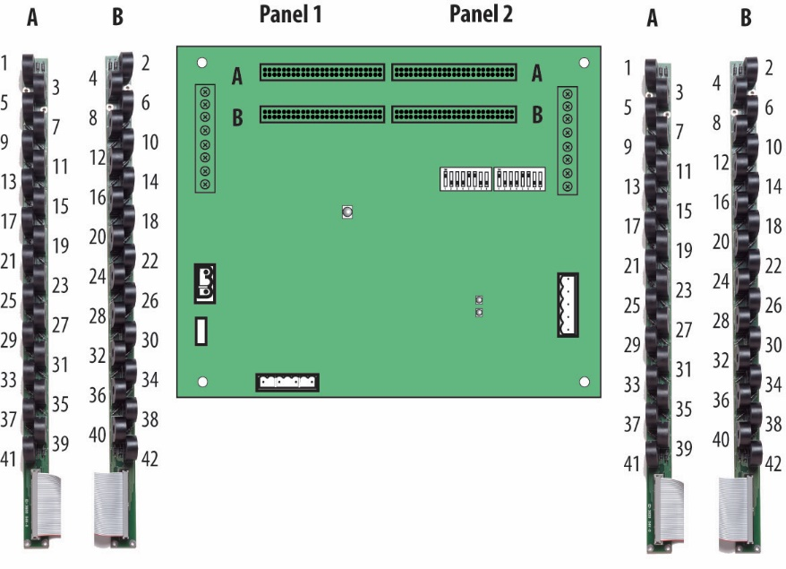
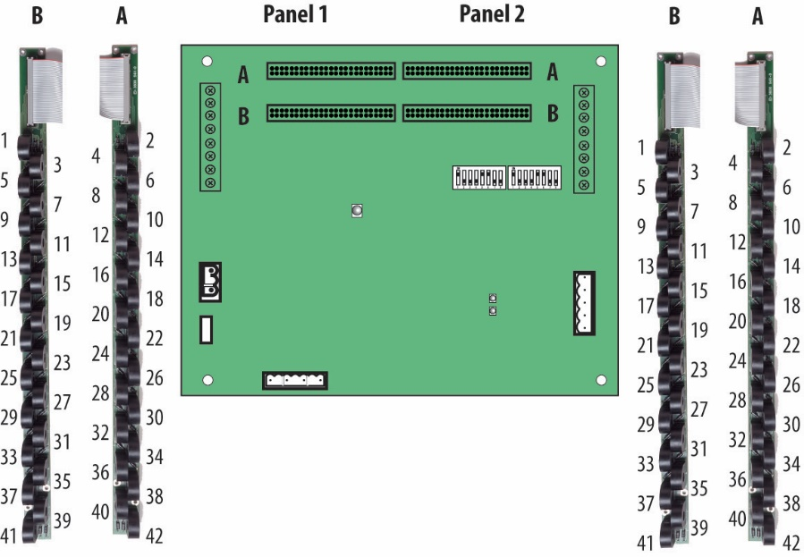
 |  | CT | Current | Voltage
 | Circuit | Number | Phase | Phase
 | 1 | 1 | 1 | A
 | 2 | 2 | 1 | A
 | 3 | 3 | 1 | B
 | 4 | 4 | 1 | B
 | 5 | 5 | 1 | C
 | 6 | 6 | 1 | C
 | 7 | 7 | 1 | A
 | 8 | 8 | 1 | A
 | 9 | 9 | 1 | B
 | 10 | 10 | 1 | B
 | 11 | 11 | 1 | C
 | 12 | 12 | 1 | C
 | 13 | 13 | 1 | A
 | 14 | 14 | 1 | A
 | 15 | 15 | 1 | B | Odd/Even
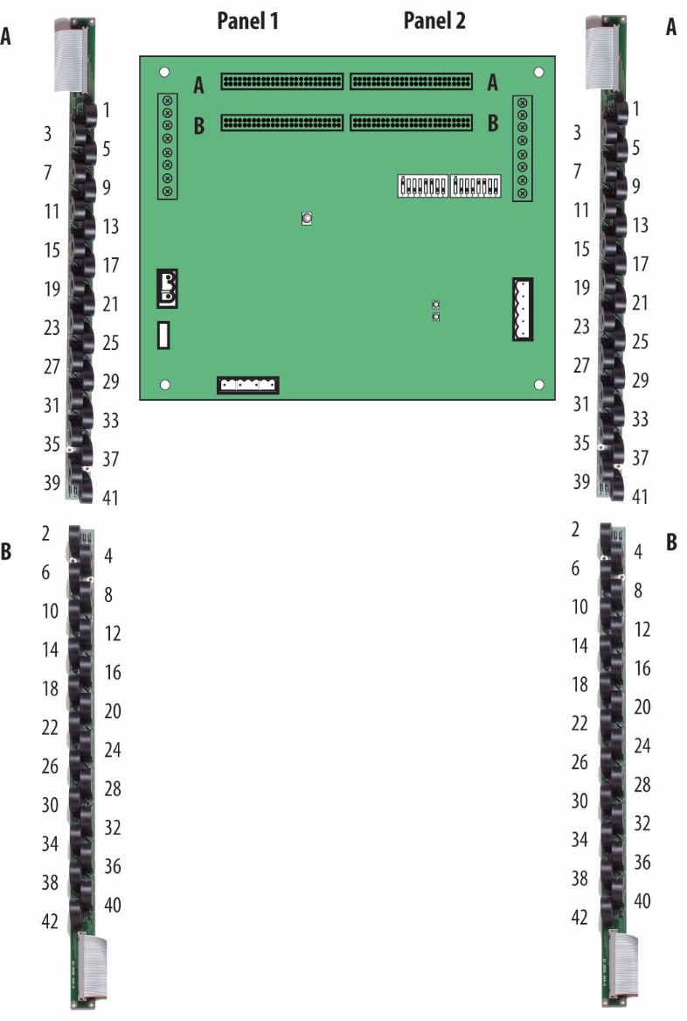
 | 16 | 16 | 1 | B
 | 17 | 17 | 1 | C
 | 18 | 18 | 1 | C
 | 19 | 19 | 1 | A
 | 20 | 20 | 1 | A
 | 21 | 21 | 1 | B
 | 22 | 22 | 1 | B
 | 23 | 23 | 1 | C
 | 24 | 24 | 1 | C
 | 25 | 25 | 1 | A
 | 26 | 26 | 1 | A
 | 27 | 27 | 1 | B
 | 28 | 28 | 1 | B
 | 29 | 29 | 1 | C
 | 30 | 30 | 1 | C
 | 31 | 31 | 1 | A
 | 32 | 32 | 1 | A
 | 33 | 33 | 1 | B
 | 34 | 34 | 1 | B
 | 35 | 35 | 1 | C
 | 36 | 36 | 1 | C
 | 37 | 37 | 1 | A
 | 38 | 38 | 1 | A
 | 39 | 39 | 1 | B
 | 40 | 40 | 1 | B
 | 41 | 41 | 1 | C
 | 42 | 42 | 1 | C

Voltage/Current Phasing for Single Row: Sequential configuration

 |  | CT | Current | Voltage
 | Circuit | Number | Phase | Phase
 | 1 | 1 | 1 | A | Sequential
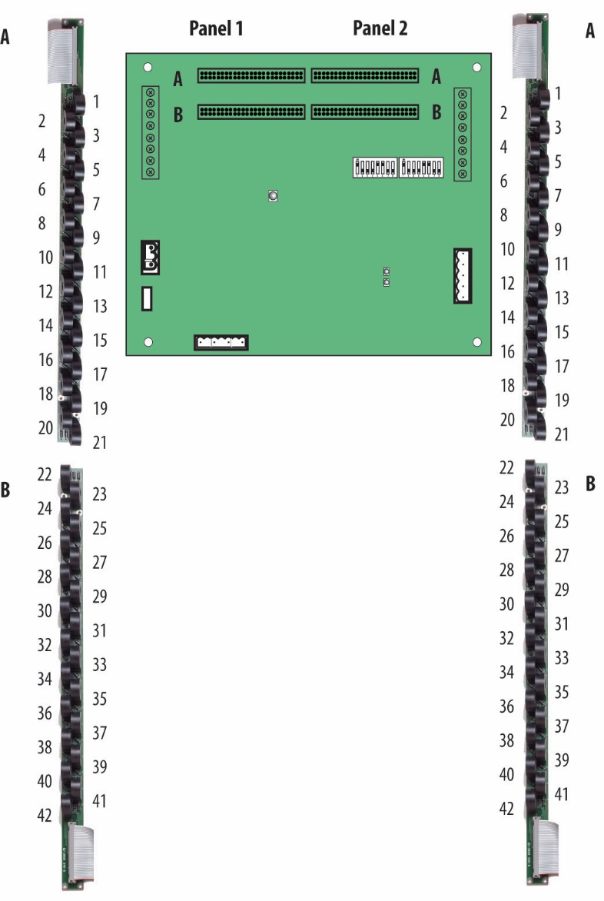
 | 2 | 2 | 1 | B
 | 3 | 3 | 1 | C
 | 4 | 4 | 1 | A
 | 5 | 5 | 1 | B
 | 6 | 6 | 1 | C
 | 7 | 7 | 1 | A
 | 8 | 8 | 1 | B
 | 9 | 9 | 1 | C
 | 10 | 10 | 1 | A
 | 11 | 11 | 1 | B
 | 12 | 12 | 1 | C
 | 13 | 13 | 1 | A
 | 14 | 14 | 1 | B
 | 15 | 15 | 1 | C
 | 16 | 16 | 1 | A
 | 17 | 17 | 1 | B
 | 18 | 18 | 1 | C
 | 19 | 19 | 1 | A
 | 20 | 20 | 1 | B
 | 21 | 21 | 1 | C
 | 22 | 22 | 1 | A
 | 23 | 23 | 1 | B
 | 24 | 24 | 1 | C
 | 25 | 25 | 1 | A
 | 26 | 26 | 1 | B
 | 27 | 27 | 1 | C
 | 28 | 28 | 1 | A
 | 29 | 29 | 1 | B
 | 30 | 30 | 1 | C
 | 31 | 31 | 1 | A
 | 32 | 32 | 1 | B
 | 33 | 33 | 1 | C
 | 34 | 34 | 1 | A
 | 35 | 35 | 1 | B
 | 36 | 36 | 1 | C
 | 37 | 37 | 1 | A
 | 38 | 38 | 1 | B
 | 39 | 39 | 1 | C
 | 40 | 40 | 1 | A
 | 41 | 41 | 1 | B
 | 42 | 42 | 1 | C

-=E30 2PH Circuits=-
21 DUAL-PHASE CIRCUITS
Voltage/Current Phasing for Top Feed, Bottom Feed configuration
 |  |  |  |  |  | Top Feed | Bottom Feed
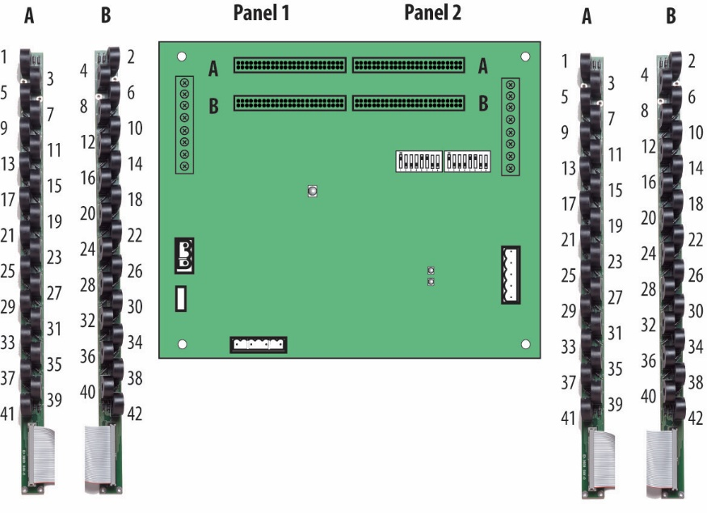
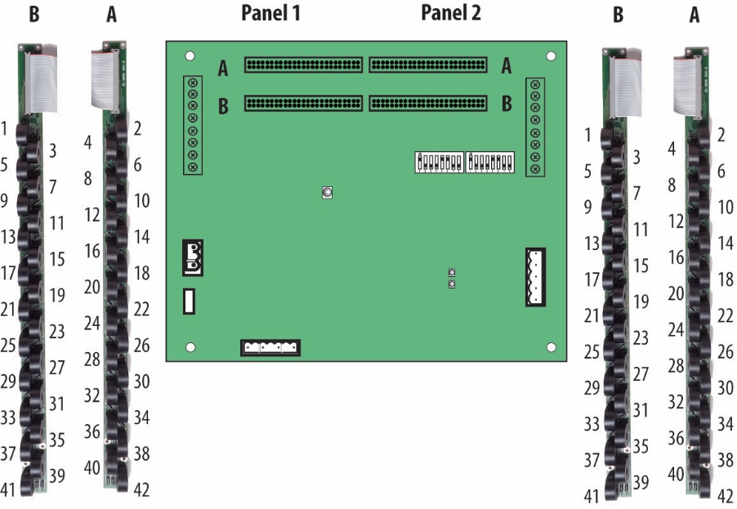
 |  | CT | Current | Voltage
 | Circuit | Number | Phase | Phase
 | 1 | 1 | 1 | A
 |  | 3 | 2 | B
 | 2 | 2 | 1 | A
 |  | 4 | 2 | B
 | 3 | 5 | 1 | C
 |  | 7 | 2 | A
 | 4 | 6 | 1 | C
 |  | 8 | 2 | A
 | 5 | 9 | 1 | B
 |  | 11 | 2 | C
 | 6 | 10 | 1 | B
 |  | 12 | 2 | C
 | 7 | 13 | 1 | A
 |  | 15 | 2 | B
 | 8 | 14 | 1 | A
 |  | 16 | 2 | B
 | 9 | 17 | 1 | C
 |  | 19 | 2 | A
 | 10 | 18 | 1 | C
 |  | 20 | 2 | A
 | 11 | 21 | 1 | B
 |  | 23 | 2 | C
 | 12 | 22 | 1 | B
 |  | 24 | 2 | C
 | 13 | 25 | 1 | A
 |  | 27 | 2 | B
 | 14 | 26 | 1 | A
 |  | 28 | 2 | B
 | 15 | 29 | 1 | C
 |  | 31 | 2 | A
 | 16 | 30 | 1 | C
 |  | 32 | 2 | A
 | 17 | 33 | 1 | B
 |  | 35 | 2 | C
 | 18 | 34 | 1 | B
 |  | 36 | 2 | C
 | 19 | 37 | 1 | A
 |  | 39 | 2 | B
 | 20 | 38 | 1 | A
 |  | 40 | 2 | B
 | 21 | 41 | 1 | C | *Circuit 21 will not produce meaningful data for Top Feed 2-phase
 |  | 42 | 2 | C

Voltage/Current Phasing for Single Row: Sequential configuration

 |  | CT | Current | Voltage
 | Circuit | Number | Phase | Phase
 | 1 | 1 | 1 | A |  | Sequential
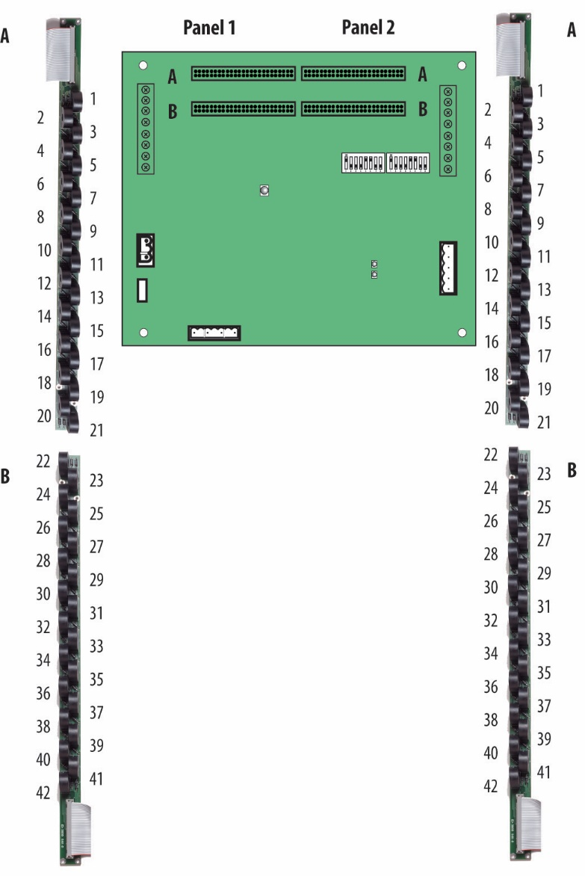
 |  | 2 | 2 | B
 | 2 | 3 | 1 | C
 |  | 4 | 2 | A
 | 3 | 5 | 1 | B
 |  | 6 | 2 | C
 | 4 | 7 | 1 | A
 |  | 8 | 2 | B
 | 5 | 9 | 1 | C
 |  | 10 | 2 | A
 | 6 | 11 | 1 | B
 |  | 12 | 2 | C
 | 7 | 13 | 1 | A
 |  | 14 | 2 | B
 | 8 | 15 | 1 | C
 |  | 16 | 2 | A
 | 9 | 17 | 1 | B
 |  | 18 | 2 | C
 | 10 | 19 | 1 | A
 |  | 20 | 2 | B
 | 11 | 21 | 1 | C
 |  | 22 | 2 | A
 | 12 | 23 | 1 | B
 |  | 24 | 2 | C
 | 13 | 25 | 1 | A
 |  | 26 | 2 | B
 | 14 | 27 | 1 | C
 |  | 28 | 2 | A
 | 15 | 29 | 1 | B
 |  | 30 | 2 | C
 | 16 | 31 | 1 | A
 |  | 32 | 2 | B
 | 17 | 33 | 1 | C
 |  | 34 | 2 | A
 | 18 | 35 | 1 | B
 |  | 36 | 2 | C
 | 19 | 37 | 1 | A
 |  | 38 | 2 | B
 | 20 | 39 | 1 | C
 |  | 40 | 2 | A
 | 21 | 41 | 1 | B
 |  | 42 | 2 | C

Voltage/Current Phasing for Single Row: Odd / Even configuration

 |  | CT | Current | Voltage
 | Circuit | Number | Phase | Phase
 | 1 | 1 | 1 | A |  | Odd / Even
 |  | 3 | 2 | B
 | 2 | 5 | 1 | C
 |  | 7 | 2 | A
 | 3 | 9 | 1 | B
 |  | 11 | 2 | C
 | 4 | 13 | 1 | A
 |  | 15 | 2 | B
 | 5 | 17 | 1 | C
 |  | 19 | 2 | A
 | 6 | 21 | 1 | B
 |  | 23 | 2 | C
 | 7 | 25 | 1 | A
 |  | 27 | 2 | B
 | 8 | 29 | 1 | C
 |  | 31 | 2 | A
 | 9 | 33 | 1 | B
 |  | 35 | 2 | C
 | 10 | 37 | 1 | A
 |  | 39 | 2 | B
 | 11 | 41 | 1 | C
 |  | 2 | 2 | A
 | 12 | 4 | 1 | B
 |  | 6 | 2 | C
 | 13 | 8 | 1 | A
 |  | 10 | 2 | B
 | 14 | 12 | 1 | C
 |  | 14 | 2 | A
 | 15 | 16 | 1 | B
 |  | 18 | 2 | C
 | 16 | 20 | 1 | A
 |  | 22 | 2 | B
 | 17 | 24 | 1 | C
 |  | 26 | 2 | A
 | 18 | 28 | 1 | B
 |  | 30 | 2 | C
 | 19 | 32 | 1 | A
 |  | 34 | 2 | B
 | 20 | 36 | 1 | C
 |  | 38 | 2 | A
 | 21 | 40 | 1 | B
 |  | 42 | 2 | C

