Modbus File
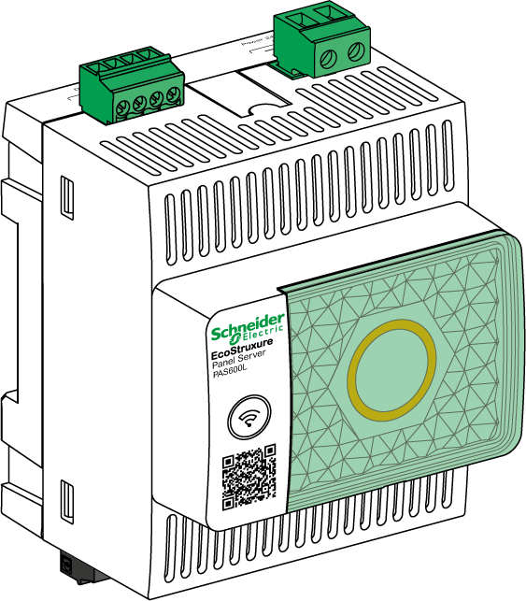
EcoStruxure Panel Server
Modbus File
Wireless Concentrator and Modbus Gateway, Datalogger and Energy Server

EcoStruxure offers IoT-enabled architecture and platform.

DOCA0241EN-02
07/2022

Safety Information
Safety Information
Important Information
 | Read these instructions carefully, and look at the equipment to become familiar with the device before trying to install, operate, service, or maintain it. The following special messages may appear throughout this documentation or on the equipment to warn of potential hazards or to call attention to information that clarifies or simplifies a procedure.
 | The addition of this symbol to a “Danger” or “Warning” safety label indicates that an electrical hazard exists which will result in personal injury if the instructions are not followed.

 | This is the safety alert symbol. It is used to alert you to potential personal injury hazards. Obey all safety messages that follow this symbol to avoid possible injury or death.

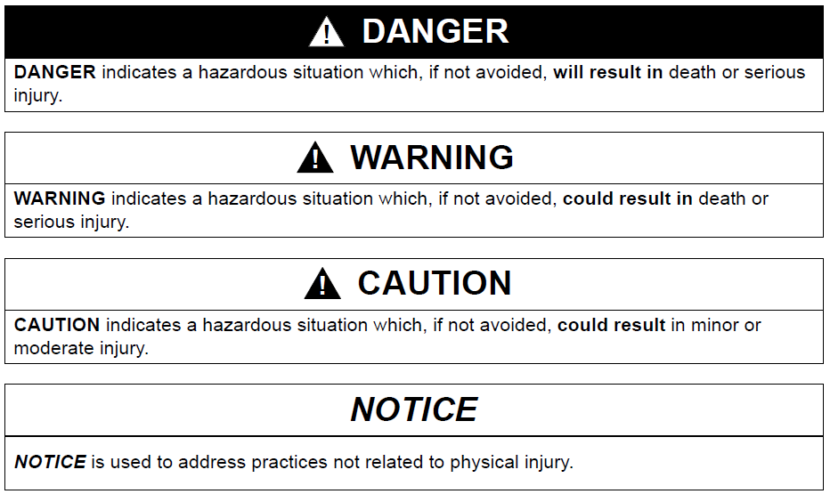

Please Note
 | Electrical equipment should be installed, operated, serviced, and maintained only by qualified personnel. No responsibility is assumed by Schneider Electric for any consequences arising out of the use of this material.
 | A qualified person is one who has skills and knowledge related to the construction and operation of electrical equipment and its installation, and has received safety training to recognize and avoid the hazards involved.

Cybersecurity Safety Notice
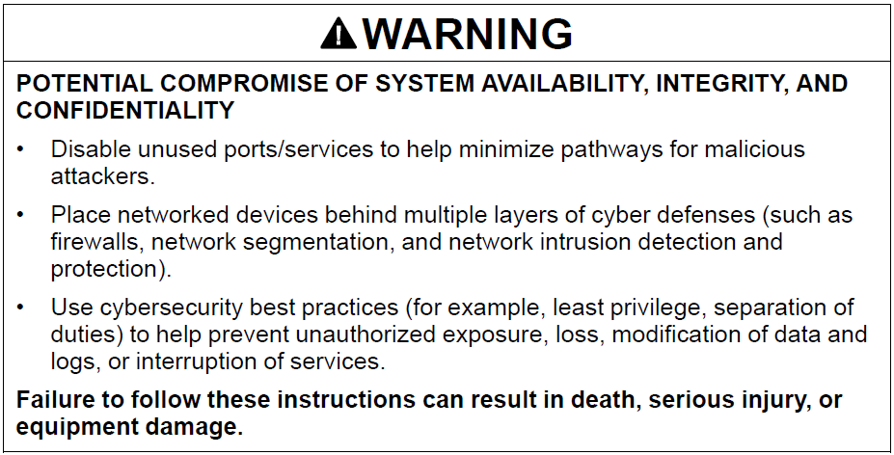

FCC Notice
 | This device complies with Part 15 of the FCC Rules. Operation is subject to the following two conditions: • This device may not cause harmful interference, and • this device must accept any interference received, including interference that may cause undesired operation. NOTE: This equipment has been tested and found to comply with the limits for a Class A digital device, pursuant to part 15 of the FCC Rules. These limits are designed to provide reasonable protection against harmful interference when the equipment is operating in a commercial environment. This equipment generates, uses, and can radiate radiofrequency energy and, if not installed and used in accordance with the instruction manual, may cause harmful interference to radio communications. Operation of this equipment in a residential area is likely to cause harmful interference in which case the user will be required to correct the interference at his own expense. FCC Caution: Any changes or modifications not expressly approved by the party responsible for compliance could void the user’s authority to operate this equipment. This transmitter must not be co-located or operating in conjunction with any other antenna or transmitter. Radiation Exposure Statement: This equipment complies with FCC radiation exposure limits set forth for an uncontrolled environment. This equipment should be installed and operated with minimum distance 20 cm between the radiator and your body. NOTE: The country code selection is for non-US model only and is not available to all US models. Per FCC regulation, all Wi-Fi product marketed in US must fixed to US operation channels only.

