Sheet1
 | TM3 Transmitter and Receiver modules Wiring Checklist | Tick Box | Notes
1 | I/O and communication wiring must be kept separate from the power wiring. Route these 2 types of wiring in separate cable ducting. | FALSE | Separated as far as reasonably practicable. Cable insulation as per AS3000 wiring rule. See photos.
2 | Verify that the operating conditions and environment are within the specification values. | FALSE | Please indicate which specifications are referred to.
3 | Use proper wire sizes to meet voltage and current requirements. | FALSE | Wiring is typically 0.75mm2 for control wiring, all outputs interfaced via control relays
4 | Use copper conductors. | FALSE
5 | Use twisted-pair, shielded cables for analog, and/or fast I/O. | FALSE | Analogue signals are single wiring internal in board, and are twisted pair in field wiring
6 | Use twisted-pair, shielded cables for networks, and field bus. | FALSE | STP for bus coupler. No fieldbus comms. PLC - PLC and PLC - HMI are UTP
7 | Use shielded cables for all fast I/O, analog I/O, and communication signals | FALSE | See #5
8 | Ground cable shields for all fast I/O, analog I/O, and communication signals at a single point1. | FALSE | Bus coupler cable shield is not grounded. TM3XTRA1/TM3XREC1 modules are grounded.
9 | Route communications and I/O cables separately from power cables | FALSE | Bus couple cable is not with power cables. Other comms cables are.
10 | The TM3 transmitter and receiver modules require a power supply with a nominal voltage of 24 Vdc. The 24 Vdc power supply must be rated Protective Extra Low Voltage (PELV) according to IEC 61140. This power supply is isolated between the electrical input and output circuits of the power supply | FALSE | IFM DN4013 power supply
11 | You must connect the functional ground (FE) via the power supply, and the functional or protective ground of the power supply to the same equipotential functional ground of the controller and TM3 transmitter module. | FALSE | Conductive backplane, all earth bars and DIN rails are mounted to this. TM3XTRA1 module earth is connected directly to the backplane. TM3XREC1 is connected to earth bar.
12 | Cables carrying fast I/O, analog I/O, and the fieldbus communication signals must be shielded. The shielding must be securely connected to ground. Fast I/O and analog I/O shields may be connected either to the functional earth ground (FE) or to the protective earth ground (PE) of your TM3 expansion module. The fieldbus communication cable shields must be connected to the protective earth ground (PE) with a connecting clamp secured to the conductive backplane of your installation. | FALSE | See 5/6/7. VSD cabling is all shielded and grounded on earth bar, except where multiple motors fed from 1 drive through independent contactors.
13 | The DIN Rail for your TM3 system is common with the functional earth ground (FE) plane and must be mounted on a conductive backplane. | FALSE | All DIN rail screwed to conductive backplane, which is connected to main earth
14 |  | FALSE | This is how earth is done on transmit, direct to backplane.
15 |  | FALSE | Controller earth connected via cable to earth bar. See diagram / photos
16 |  | FALSE | 0.75mm2 cable back to earthing bar, approximately 800mm length
17 | 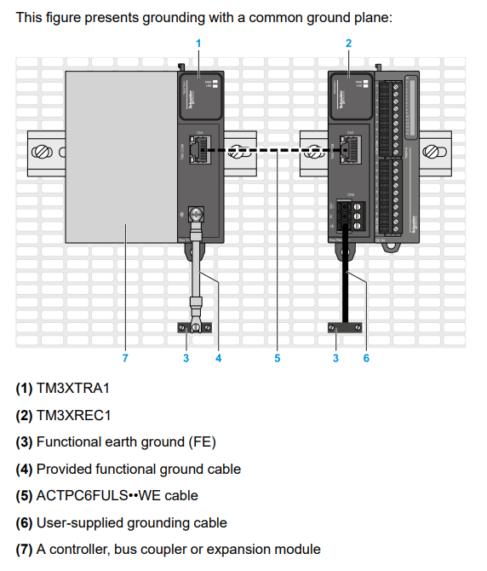 | FALSE | When installed on same mesh
18 | 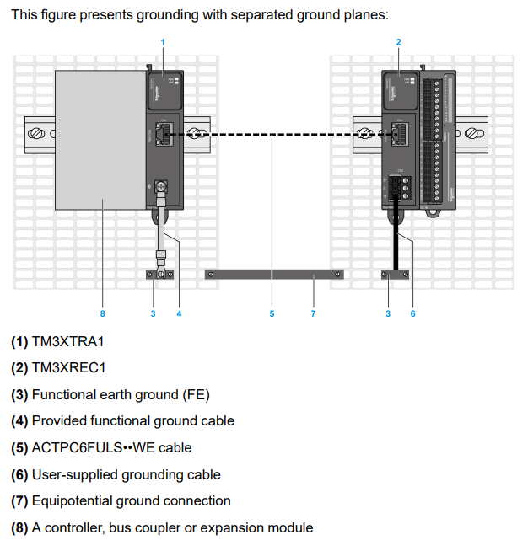 | FALSE | When installed on seperated mesh
 |  | FALSE
 |  | FALSE

