Sheet1
Enter the Upper and Lower bounds as specified within the Com'X. The Offset, Multiplier, and Scale will then be calculated per the following equation: ION Value = (Modbus value – Offset) * Multiplier / Scale

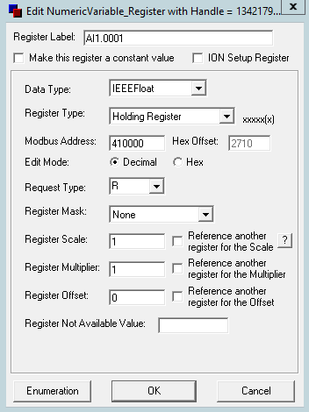
Device Parameters |  |  | Modbus Device Import Parameters

Analog Maximum | 20 | mA
Analog Minimum | 4 | mA |  | Scale | 16
 |  |  |  | Multiplier | 100
Upper bound | 0 |  |  | Offset | 20
Lower bound | -100

To test the Modbus Device Importer Parameters, enter an Analog Input value and view the resulting ION value.

Analog Input Value | 4 | mA |  | ION Value | -100

